Sheet1
$$\overline{x_{1}}$$
$${\overline{x}}_{2}$$
 |  |  |  |  | 89
 |  |  |  |  | 82

$$\frac{s_{1}^{2}}{n_{1}}$$
$$\frac{s_{2}^{2}}{n_{2}}$$
 |  |  |  |  | 4
 |  |  |  |  | 50
 |  |  |  |  | 9
 |  |  |  |  | 120

NULL HYPOTHESIS | (H0): THERE IS NO DIFFERENCE IN INTELLIGENCE BETWEEN GIRLS AND BOYS
ALTERNATIVE HYPOTHESIS | (H1): THERE IS DIFFERENCE IN INTELLIGENCE BETWEEN GIRLS AND BOYS

CALCULATE TEST STATISTC (t) |  | Z = (x̄₁ - x̄₂) / √[(σ₁²/n₁) + (σ₂²/n₂)] |  | 7.0175658996
 |  | P VALUE (TWO TAILED) | 2.2577495429E-12
 |  | P VALUE (TWO TAILED) | -0.049999999998
 |  | CONCLUTION | At the 5% level of significance, the p-value is extremely small, which is much less than 0.05.
 |  |  | Therefore, we reject the null hypothesis (H₀) and accept the alternative hypothesis (H₁).
 |  |  | This means that there is a statistically significant difference in intelligence between girls and boys.

Sheet2
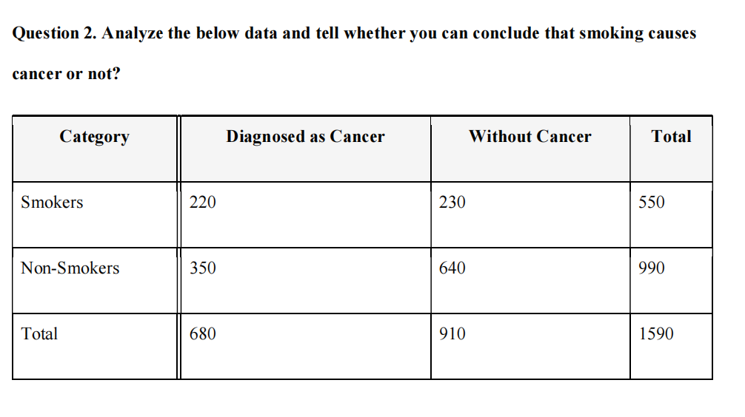

 |  |  | CANCER EXPECTED | NO CANCER EXPECTED
 |  | SMOKER | 235.22012579 | 314.77987421
 |  | NON-SMOKER | 423.39622642 | 566.60377358

 |  |  | CHI SQUARE | 0.98483166852 | 22.833820268 | SMOKER
 |  |  |  | 12.723320889 | 9.5075364887 | NON SMOKER

 |  |  | TOTAL | 46.049509314

 |  |  | df | 1
 |  |  | p value | 1.153020216E-11
NULL HYPOTHESIS | Smoking and cancer diagnosis are independent |  |  | -0.049999999988
ALTERNATIVE HYPOTHESIS | Smoking and cancer diagnosis are related |  | CONCLUTION | Since the p-value < 0.05, we reject the null hypothesis.
 |  |  |  | There is strong evidence of a statistically significant relationship between smoking and cancer diagnosis.

